1. Title Page
Grocery Basket Analysis

Project Name: Instacart Grocery Basket Analysis
Date: 8/20/2023
Analyst Name: Akiko Oguchi

Contents:
Population Flow
Consistency checks
Wrangling steps
Column derivations
Visualizations
Recommendations

“The Instacart Online Grocery Shopping Dataset 2017” accessed from www.instacart.com/datasets/grocery-shopping-2017 via Kaggle. Entire "customer.csv" dataset and "prices" column of "products.csv" dataset were fabricated by Career Foundry for educational purposes.

2. Population Flow
Population flow

Exclusion flag
Condition: max_order < 5
Obervations to be removed:
Final total count of order_products_all: 9,058,349*

*new df of small sample subset was created/used

Orders_products_combined
Orders_products_merged
Orders_products_all

Total: 32,434,489
Total: 32,434,489
Total: 32,434,489

1.) The grey boxes in the first row of the population flow represent the original data sets as they were when you downloaded them. In the Total fields you need to add the count of the rows when you imported the data set into Jupyter.
2.) The second row of boxes (coloured) represents the data sets after you manipulated them, e.g., removed missing values and duplicates. In the Total fields you need to add the count of the rows after conducting these operations. This offers a visual oveview of how the data flows throughout the data consistency checks.
3.) The third row, where also the arrows are coloured, represents the merges you performed between the datasets. In the Total fields you need to add the count of the rows in the merged datasets, so that you end up with the final dataset (in the red box). Keep in mind the final dataset should be without exclusions (based on the exclusion flag).

3. Consistency checks
 |  |  |  | Title page
Consistency checks

Dataset | Missing values | Missing values treatment | Duplicates
orders | 206,209 NaN under days_since_prior_order column | none; these NaN are for the first order of each customer; they are not errors to be removed
orders |  |  | none
products | 16 NaN under product_name column (out of 49,693) | dropped/removed
products |  |  | 5 duplicate products (duplicate across all columns: 462, 18458, 26808, 35306, 35491) -- removed
products |  |  | 2 duplicate products (duplicate of product_id only: 6800, 26520) --removed after merging products df with orders df and 570 duplicates were created; duplicates were created by these two product duplicates; after removing the duplicates and merging, there was a clean merge with no duplicates
products*
orders | none | none | none
customers | 11,259 first names missing | none; first/last_names won't be used to identify customers, but instead user_id, so no need to remove

*outlier/error prices of 99,999 and 14,900. They were collectively removed from products df before merging to orders_products (exported as products_cleaned_2.csv)

4. Wrangling steps
Wrangling steps

Columns dropped | Columns renamed | Columns data type changed | Comment/Reason
df_ords = df_ords.drop(columns = ['eval_set']) |  |  | removed bc irrelevant information
 | df_ords.rename(columns = {'order_dow':'order_day_of_week'}, inplace=True) |  | order_dow is difficult to comprehend
 |  | df_ords['user_id'] = df_ords['user_id'].astype('str') | changed user_id to string/object to exclude index values from descriptive analysis calc
 |  | df_ords['order_id'] = df_ords['order_id'].astype('str') | changed order_id to string/object to exclude index values from descriptive analysis calc
 |  | df_ords['order_number'] = df_ords['order_number'].astype('str') | changed order_number to string/object bc not necessary to be integer
 | df_ords.rename(columns = {'days_since_prior_order':'days_since_previous_order'}, inplace=False) |  | for easier readability

5. Column derivations
Column derivations and aggregations

Dataset | New column | Column/s it was derived from | Frequencies | Conditions
orders_products_merge | price_range_loc | prices | Mid-range product 21860852 Low-range product 10125759 High-range product 412551 NaN 35327 | if row['prices'] <= 5: return 'Low-range product' elif (row['prices'] > 5) and (row['prices'] <= 15): return 'Mid-range product' elif row['prices'] > 15: return 'High-range product' else: return 'not enough data'
orders_products_merge | busiest_day | order_day_of_week | Regularly busy 22437608 Busiest day 6209666 Least busy 3787215 | for day in df_ords_prods_merge['order_day_of_week']: if day == 0: result.append('Busiest day') elif day == 4: result.append('Least busy') else: result.append('Regularly busy')
orders_products_merge | busiest_days | order_day_of_week | Regularly busy 12927635 Busiest day 11875522 Least busy 7631332 | for day in df_ords_prods_merge['order_day_of_week']: if day in [0, 1]: result.append('Busiest day') elif day in[4, 3]: result.append('Least busy') else: result.append('Regularly busy')
orders_products_merge | busiest_period_of_day | order_hour_of_day | Average orders 18534222 Most orders 13522381 Fewest orders 377886 | for period in df_ords_prods_merge['order_hour_of_day']: if period in [10, 11, 14, 15, 13]: result.append('Most orders') elif period in [3, 4, 2, 5, 1]: result.append('Fewest orders') else: result.append('Average orders')
orders_products_merge | order_days | order_day_of_week | Saturday 6209666 Sunday 5665856 Friday 4500304 Monday 4217798 Thursday 4209533 Tuesday 3844117 Wednesday 3787215 | for value in df_ords_prods_merge['order_day_of_week']: if value == 0: result.append('Saturday') elif value == 1: result.append('Sunday') elif value == 2: result.append('Monday') elif value == 3: result.append('Tuesday') elif value == 4: result.append('Wednesday') elif value == 5: result.append('Thursday') elif value == 6: result.append('Friday')
orders_products_merge_2 | loyalty_flag | max_order | Regular customer 15891172 Loyal customer 10293959 New customer 6249358 | ords_prods_merge.loc[ords_prods_merge['max_order'] > 40, 'loyalty_flag'] = 'Loyal customer' ords_prods_merge.loc[(ords_prods_merge['max_order'] <= 40) & (ords_prods_merge['max_order'] > 10), 'loyalty_flag'] = 'Regular customer' ords_prods_merge.loc[ords_prods_merge['max_order'] <= 10, 'loyalty_flag'] = 'New customer'
orders_products_merge_3 | mean_order_number | order_number, grouped by department_id | department_id 21.0 22.902379 10.0 20.197148 18.0 19.310514 4.0 17.811403 16.0 17.668531 2.0 17.277920 7.0 17.225802 19.0 17.177343 3.0 17.170395 14.0 16.773669 13.0 16.583536 20.0 16.473447 6.0 16.439806 11.0 16.170638 15.0 16.165037 9.0 15.895474 12.0 15.887671 17.0 15.694469 1.0 15.457838 8.0 15.340650 5.0 15.215751 | ords_prods_merge.groupby('department_id').agg({'order_number': ['mean']})
orders_products_merge_3 | loyalty_flag_spender | mean_order_number | Low spender 32314611 High spender 119878 | ords_prods_merge.loc[ords_prods_merge['mean_order_prices'] < 10, 'loyalty_flag_spender'] = 'Low spender' ords_prods_merge.loc[ords_prods_merge['mean_order_prices'] >= 10, 'loyalty_flag_spender'] = 'High spender' ords_prods_merge['loyalty_flag_spender'].value_counts(dropna=False)
 | mean_days_since_prior_order | days_since_prior_order, grouped by user_id |  | ords_prods_merge[['user_id', 'order_id', 'days_since_prior_order', 'mean_days_since_prior_order']].head(100)
orders_products_merge_3 | frequency_flag | mean_days_since_prior_order | Frequent 16483756 Reg-frequent 12533086 Non-frequent 3417647 | ords_prods_merge.loc[ords_prods_merge['mean_days_since_prior_order'] > 20, 'frequency_flag'] = 'Non-frequent' ords_prods_merge.loc[(ords_prods_merge['mean_days_since_prior_order'] > 10) & (ords_prods_merge['mean_days_since_prior_order'] <= 20), 'frequency_flag'] = 'Reg-frequent' ords_prods_merge.loc[ords_prods_merge['mean_days_since_prior_order'] <= 10, 'frequency_flag'] = 'Frequent'
 |  |  | loyalty_flag loyalty_flag_spender frequency_flag Loyal customer High spender Frequent 13907 Low spender Frequent 10248210 Reg-frequent 31842 New customer High spender Frequent 10145 Non-frequent 25750 Reg-frequent 22834 Low spender Frequent 956332 Non-frequent 2610492 Reg-frequent 2623805 Regular customer High spender Frequent 15943 Non-frequent 2708 Reg-frequent 28591 Low spender Frequent 5239219 Non-frequent 778697 Reg-frequent 9826014
orders_products_customers_merged | region | state | 1 Northeast 5728351 2 Midwest 7603861 3 South 10801796 4 West 8300481 | each state was assigned a region number/name according to Wikipedia state/region table
orders_products_customers_merged | low_activity_customers | max_order | keep 30199150 exclude 2235339 | for max_order in opc_merge['max_order']: if max_order <=5: result.append('exclude') else: result.append('keep')
orders_products_customers_merged_keep_smallsample | age_group | age | 18-24 859819 25-34 1553792 35-44 1415198 45-54 1427924 55-64 1404826 65+ 2396790 | for age in opc_mkss['age']: if age >18 and age <=24: result.append('18-24') elif age <=34: result.append('25-34') elif age <=44: result.append('35-44') elif age <=54: result.append('45-54') elif age <=64: result.append('55-64') elif age >=65: result.append('65+') else: result.append('error')
orders_products_customers_merged_keep_smallsample | fam_structure | fam_status, num_of_dependants | married with dependents 6358549 single with no dependents 1491423 divorced/widowed no dependents 774069 cohab with dependents 434308 | for index, row in opc_mkss.iterrows(): fam_status = row['fam_status'] num_of_dependants = row['num_of_dependants'] if fam_status == 'single': result.append('single with no dependents') elif fam_status == 'divorced/widowed': result.append('divorced/widowed no dependents') elif fam_status == 'married' and num_of_dependants >=1: result.append('married with dependents') elif fam_status == 'living with parents and siblings' and num_of_dependants >=1: result.append('cohab with dependents') else: result.append('NA')
orders_products_customers_merged_keep_smallsample | age_income_status | income, age | old high income 23125 old low income 5866911 old mid income 46377 young high income 11589 young low income 3020502 young mid income 89845 | for index, row in opc_mkss.iterrows(): income = row['income'] age = row['age'] if (18 <= age <= 39) and (0 <= income <= 99999): result.append('young low income') elif (18 <= age <= 39) and (100000 <= income <= 199999): result.append('young mid income') elif (18 <= age <= 39) and (200000 <= income <= 400000): result.append('young high income') elif (40 <= age <= 85) and (0 <= income <= 179999): result.append('old low income') elif (40 <= age <= 85) and (180000 <= income <= 299999): result.append('old mid income') elif (40 <= age <= 85) and (300000 <= income <= 600000): result.append('old high income') else: result.append('NA')
orders_products_customers_merged_keep_smallsample | income_status | income | high income 34714 low income 8887413 mid income 136222 | for index, row in opc_mkss.iterrows(): income = row['income'] age = row['age'] if (18 <= age <= 39) and (0 <= income <= 99999): result.append('low income') elif (18 <= age <= 39) and (100000 <= income <= 199999): result.append('mid income') elif (18 <= age <= 39) and (200000 <= income <= 400000): result.append('high income') elif (40 <= age <= 85) and (0 <= income <= 179999): result.append('low income') elif (40 <= age <= 85) and (180000 <= income <= 299999): result.append('mid income') elif (40 <= age <= 85) and (300000 <= income <= 600000): result.append('high income') else: result.append('NA')

6. Visualizations
Visualisations

1. The sales team needs to know what the busiest days of the week and hours of the day are in order to schedule ads at times when there are fewer orders. 2. They want to know whether there are particular times of the day when people spend the most money, as this might inform the type of products they advertise at these times.
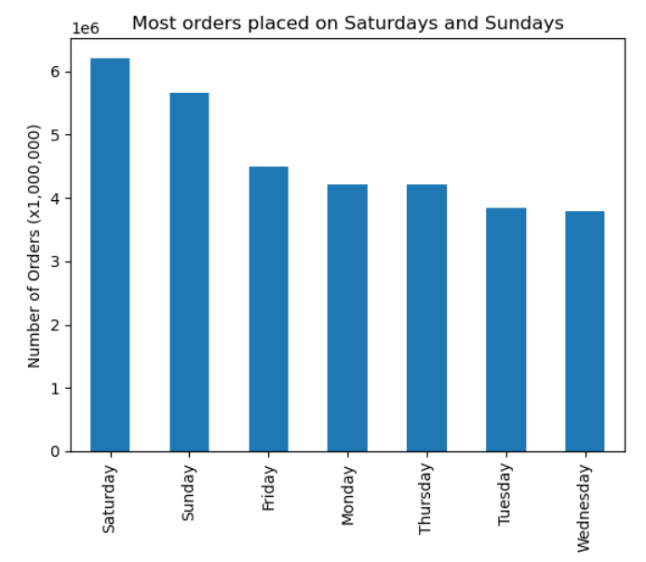
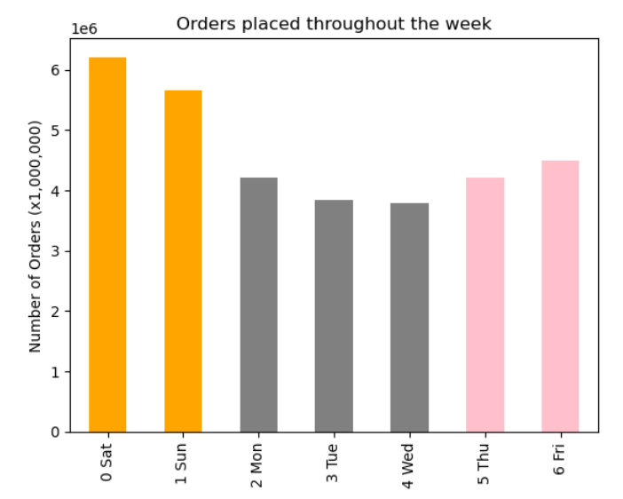
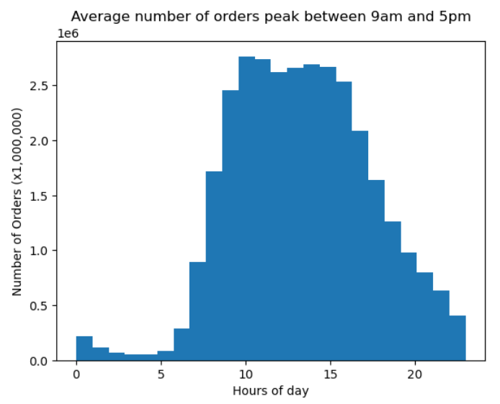

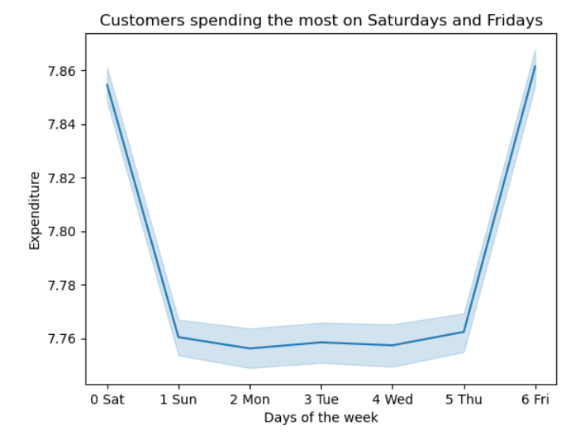
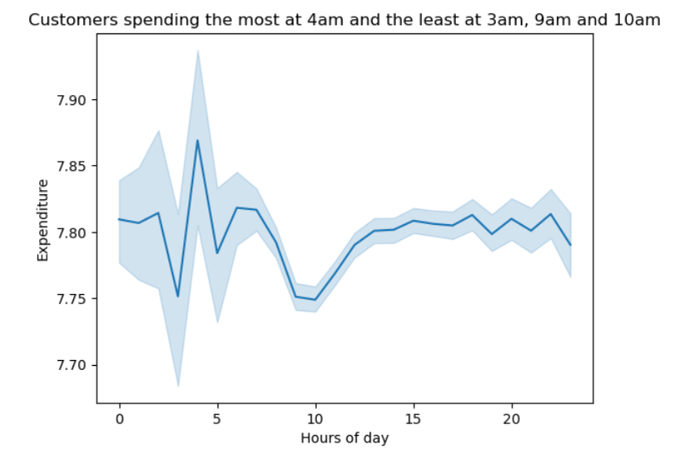
 |  |  | Days of the week |  | Hours of the day
 |  |  | Most orders | Most expenditure | Most orders | Most expenditure
 |  |  | Saturday | Saturday | 12am | 12am
 |  |  | Sunday | Sunday | 1 | 1
 |  |  | Monday | Monday | 2 | 2
 |  |  | Tuesday | Tuesday | 3 | 3
 |  |  | Wednesday | Wednesday | 4 | 4
 |  |  | Thursday | Thursday | 5 | 5
 |  |  | Friday | Friday | 6 | 6
 |  |  |  |  | 7 | 7
 |  |  |  |  | 8 | 8
 |  |  |  |  | 9 | 9
 |  |  |  |  | 10 | 10
 |  |  |  |  | 11 | 11
 |  |  |  |  | 12pm | 12pm
 |  |  |  |  | 1 | 1
 |  |  |  |  | 2 | 2
 |  |  |  |  | 3 | 3
 |  |  |  |  | 4 | 4
 |  |  |  |  | 5 | 5
 |  |  |  |  | 6 | 6
 |  |  |  |  | 7 | 7
 |  |  |  |  | 8 | 8
 |  |  |  |  | 9 | 9
 |  |  |  |  | 10 | 10
 |  |  |  |  | 11 | 11

3. Instacart has a lot of products with different price tags. Marketing and sales want to use simpler price range groupings to help direct their efforts.

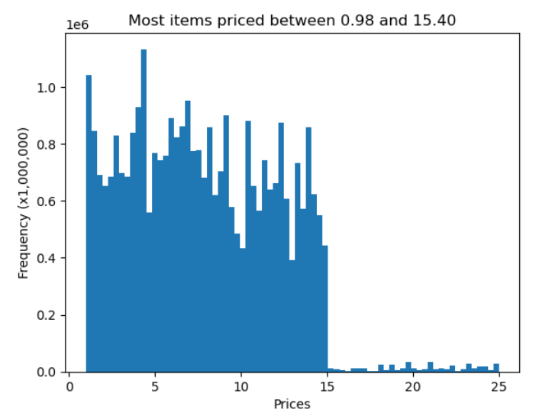
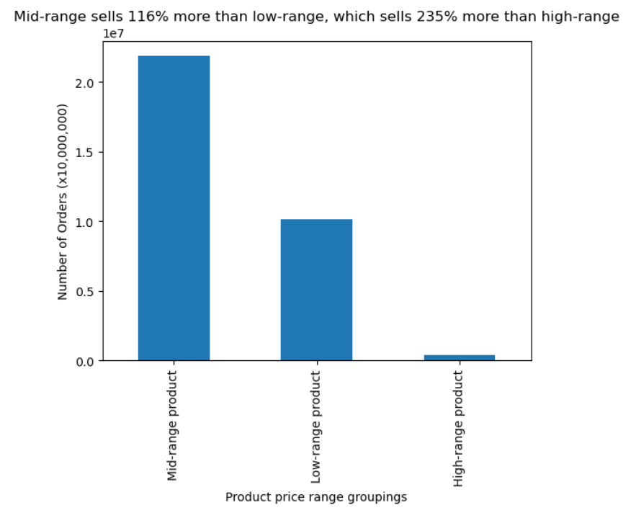
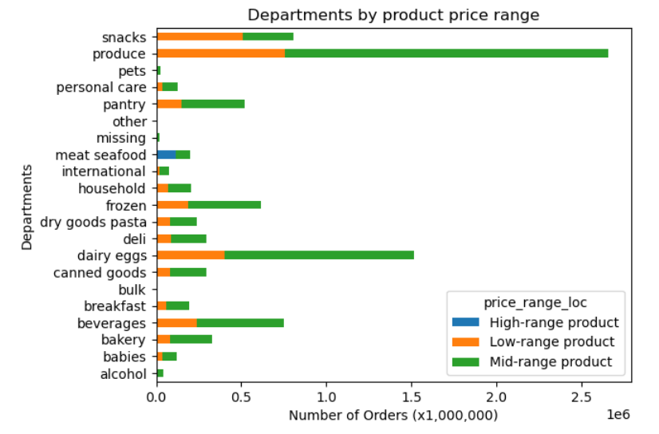

4. Are there certain types of products that are more popular than others? The marketing and sales teams want to know which departments have the highest frequency of product orders.

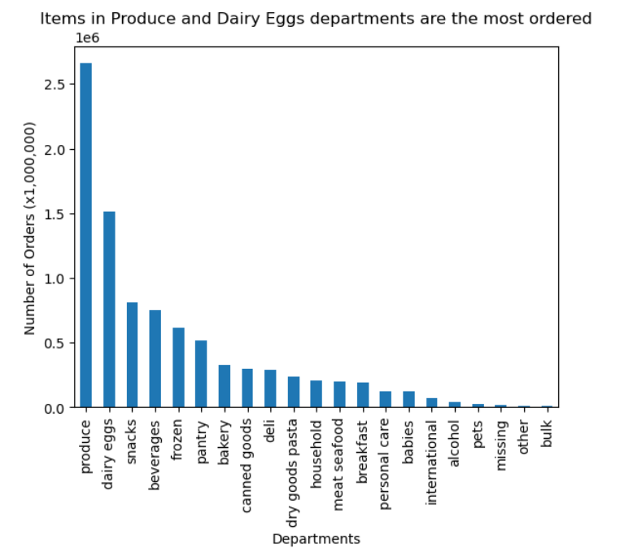

5. What’s the distribution among users in regards to their brand loyalty (i.e., how often do they return to Instacart)?

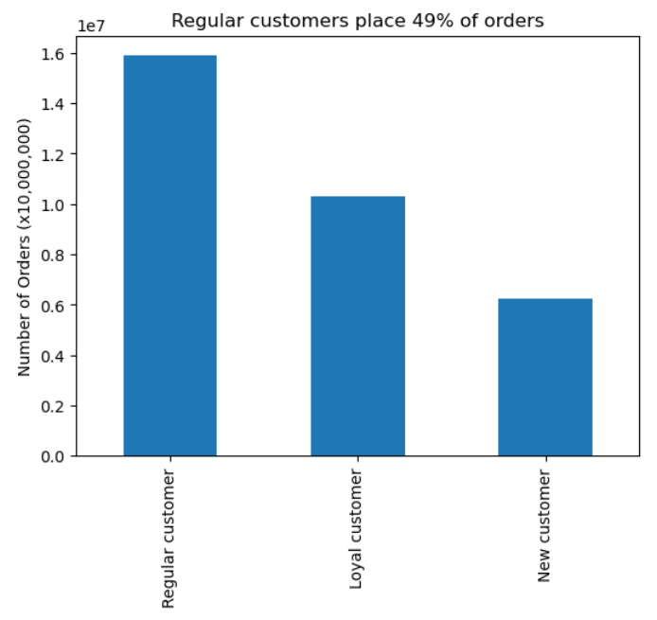
 | KEY:
 | New customers are categorized as having placed less than 10 orders
 | Regular customers are categorized as having placed between 10-40 orders
 | Loyal customers are categorized as having placed more than 40 orders

6. Are there differences in ordering habits based on a customer’s loyalty status?

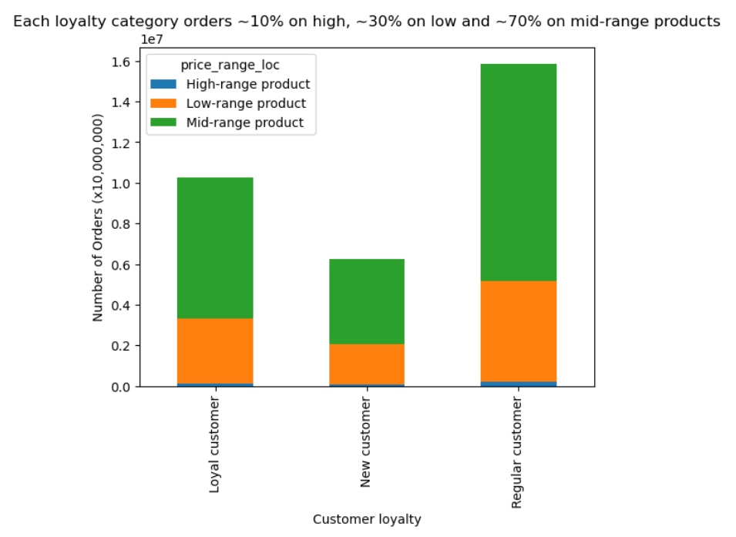
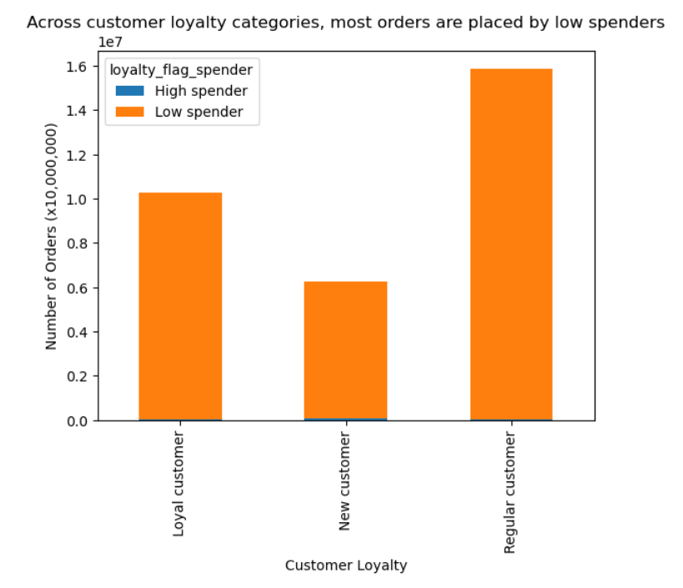

7. Are there differences in ordering habits based on a customer’s region?
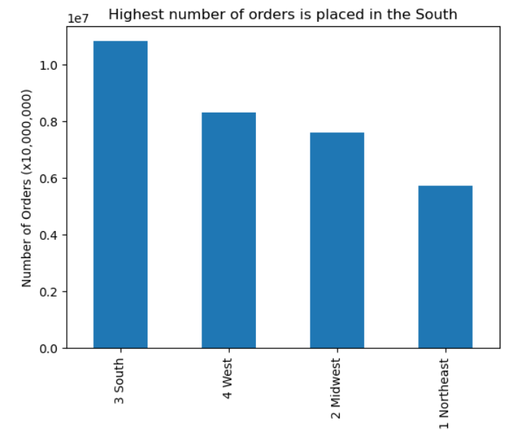

8. Is there a connection between age and family status in terms of ordering habits?

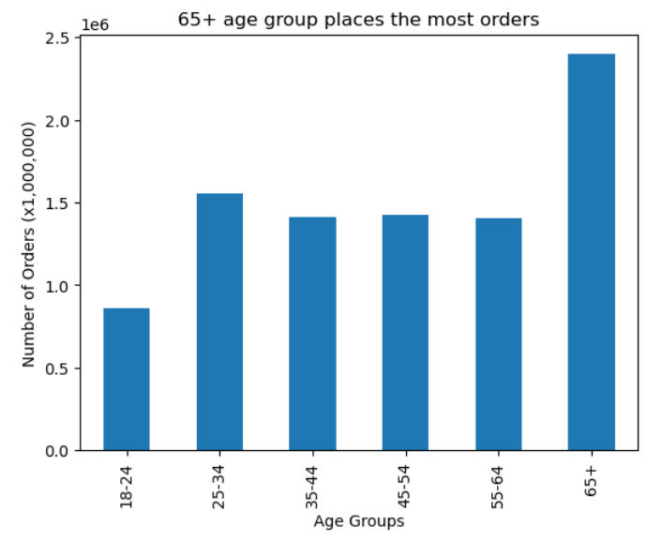
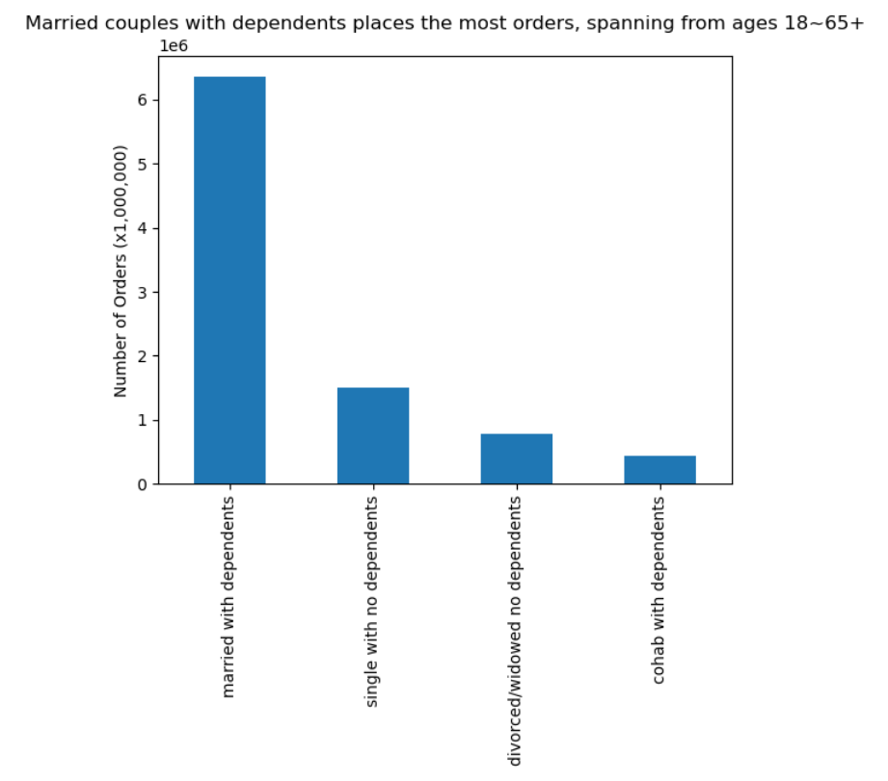
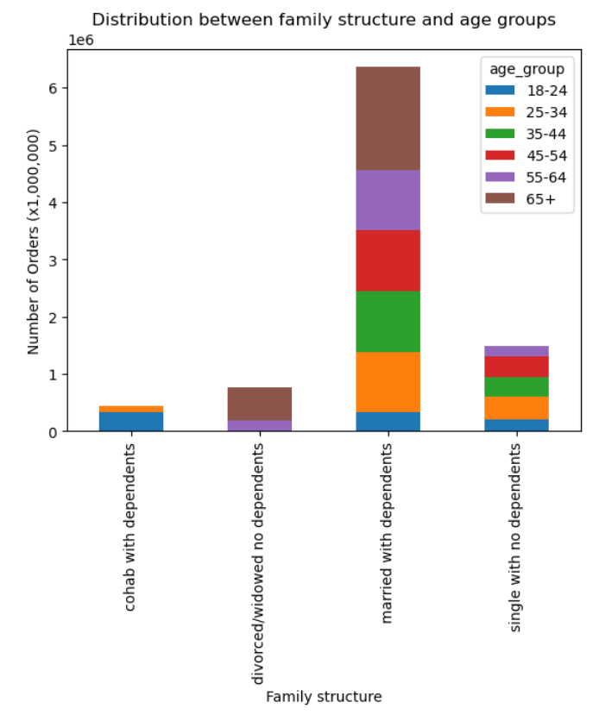
 |  |  |  |  |  |  | • 65+ age group and married with dependents place the most orders.
 |  |  |  |  |  |  | • Within the married with dependents family category, 65+ make up the largest portion.

9. What different classifications does the demographic information suggest? Age? Income? Certain types of goods? Family status? 10. What differences can you find in ordering habits of different customer profiles? Consider the price of orders, the frequency of orders, the products customers are ordering, and anything else you can think of.

Age:
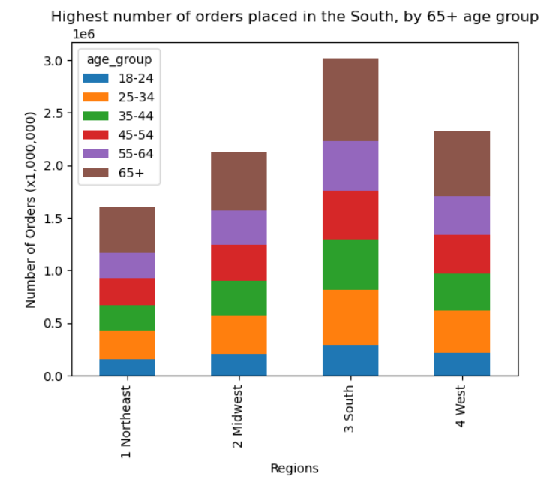
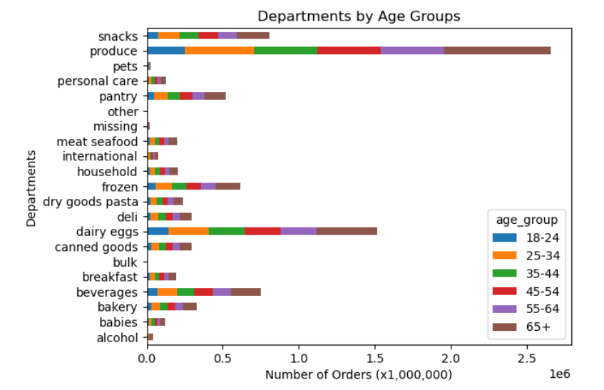
 |  |  |  |  |  |  | • Age distrubution across regions and departments is proportional
 |  |  |  |  |  |  | • Highest is 65+ age group, followed by 18-34

Family structure:

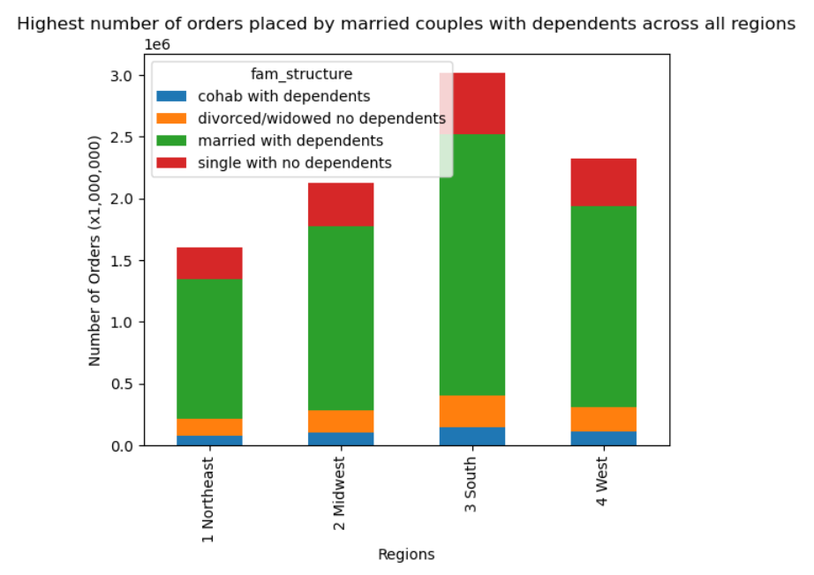
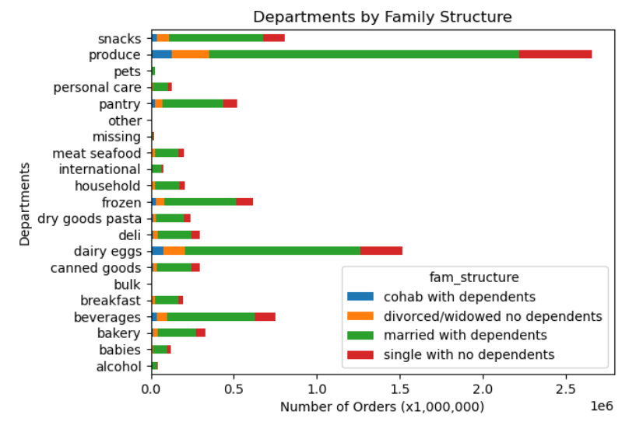
 |  |  |  |  |  |  | Most orders are placed by:
 |  |  |  |  |  |  | • married with dependents (range from ages 18-65+ but majority are in 65+ age group)
 |  |  |  |  |  |  | • single with no dependents (all 18-34 years old)

 |  |  |  |  |  |  | • Family structure distrubution across regions and departments is proportional

Income x age:
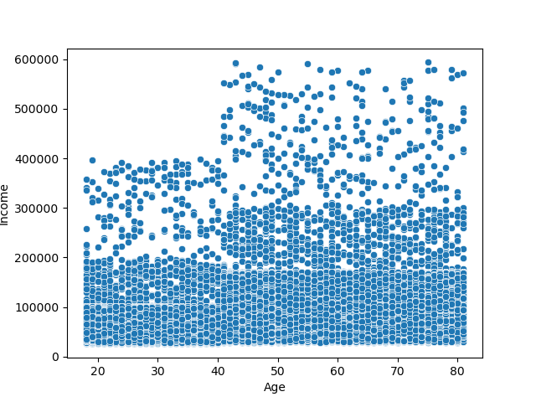

 |  | The scatterplot on the left, where age and income were plotted against
 |  | each other, we can see clear groupings of income:

 |  | Age 18-40 ("young"):
 |  | • Group 1 ("low"): income between 0-100k
 |  | • Group 2 ("mid"): income between 100-200k
 |  | • Group 3 ("high"): income between 200-400k

 |  | Age 41-81 ("old"):
 |  | • Group 1 ("low"): income between 0-200k
 |  | • Group 2 ("mid"): income between 200-300k
 |  | • Group 3 ("high"): income between 300-600k

 |  | These breakdowns were used to create income category used below.

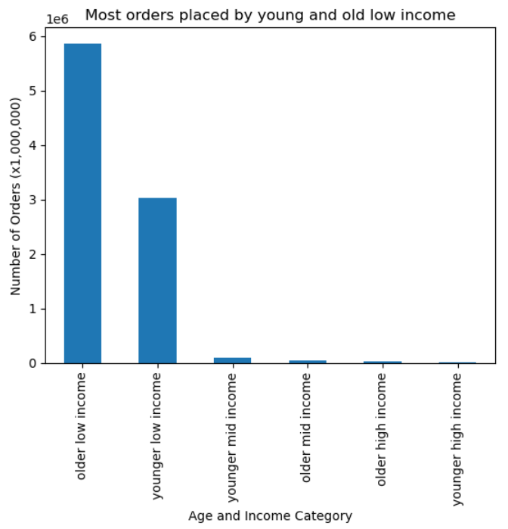
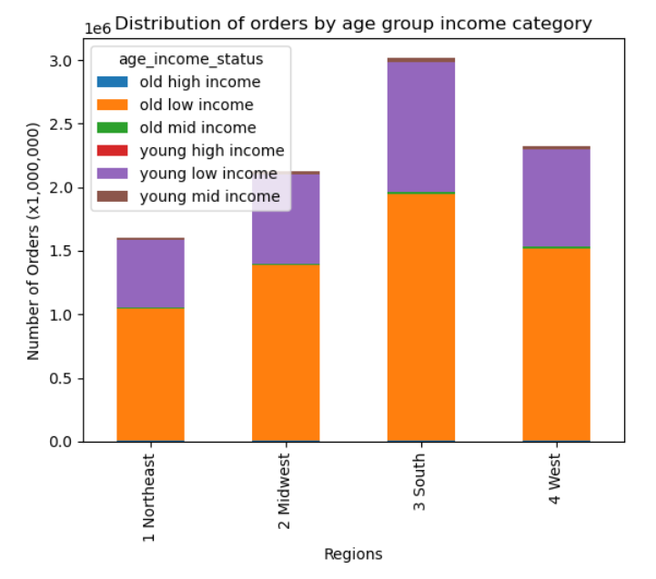
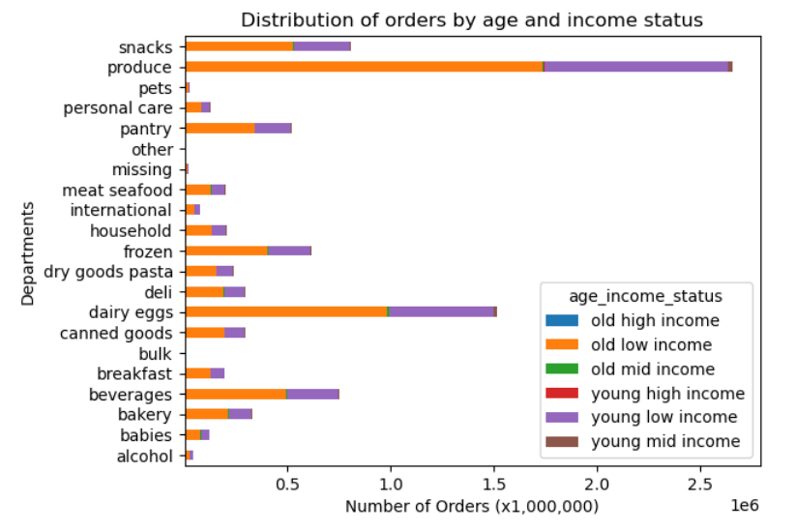
 |  |  |  |  |  |  | Most orders are placed by:
 |  |  |  |  |  |  | • old low income (41-81 years old; 0-200k income)
 |  |  |  |  |  |  | • young low income (18-41 years old; 0-100k)

 |  |  |  |  |  |  | • Income x age distrubution across regions and departments is proportional

Income:

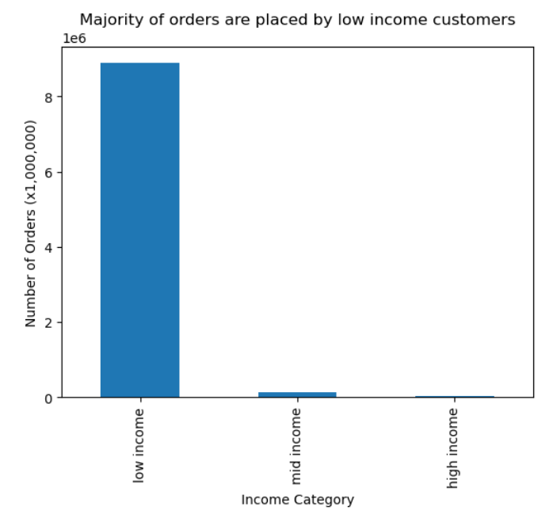
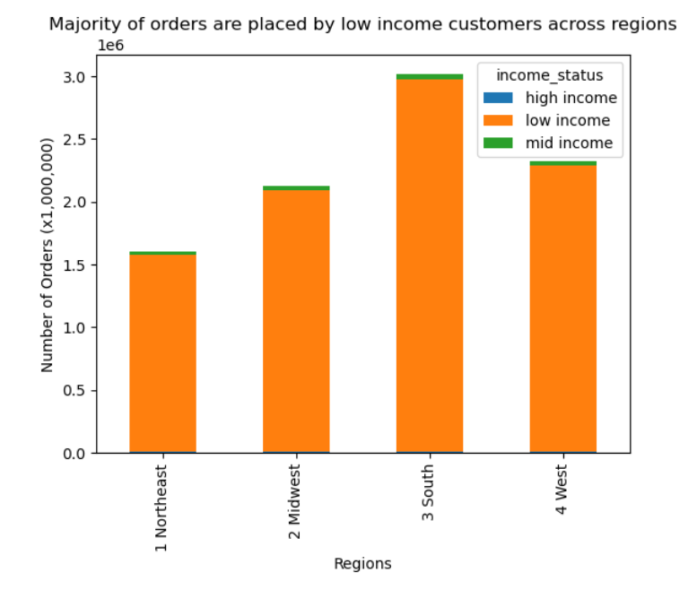
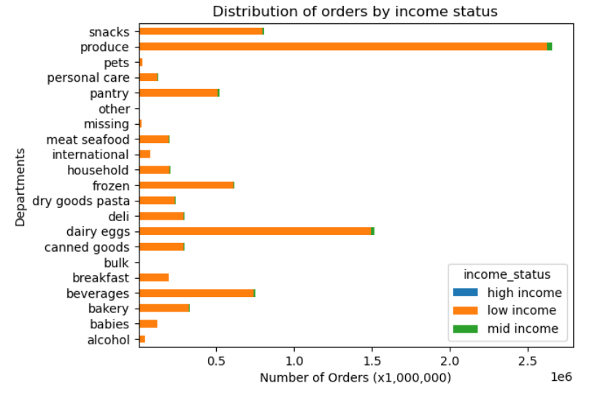
 |  |  |  |  |  |  | Most orders are placed by:
 |  |  |  |  |  |  | • low income (41-81 years old; 0-200k income; 18-41 years old; 0-100k)

 |  |  |  |  |  |  | • Income x age distrubution across regions and departments is proportional

7. Recommendations
Recommendations

1. The sales team needs to know what the busiest days of the week and hours of the day are in order to schedule ads at times when there are fewer orders.
2. They want to know whether there are particular times of the day when people spend the most money, as this might inform the type of products they advertise at these times.

Days of the week |  | Hours of the day
Most orders | Most expenditure | Most orders | Most expenditure
Saturday | Saturday | 12am | 12am
Sunday | Sunday | 1 | 1
Monday | Monday | 2 | 2
Tuesday | Tuesday | 3 | 3
Wednesday | Wednesday | 4 | 4
Thursday | Thursday | 5 | 5
Friday | Friday | 6 | 6
 |  | 7 | 7
 |  | 8 | 8
 |  | 9 | 9
 |  | 10 | 10
 |  | 11 | 11
 |  | 12pm | 12pm
 |  | 1 | 1
 |  | 2 | 2
 |  | 3 | 3
 |  | 4 | 4
 |  | 5 | 5
 |  | 6 | 6
 |  | 7 | 7
 |  | 8 | 8
 |  | 9 | 9
 |  | 10 | 10
 |  | 11 | 11

Focusing the most advertisements on Saturdays and Sundays, between the hours of 9am and 5pm, is recommended as most orders are placed during this time. I would not immediately recommend advertising during low order days and times, as most shopping is done on weekends to prepare for the busy week, but we can take a look at how shoppers are shopping. Are they placing items into the cart throughout the week as they run out of items or meal plan, then place the order on the weekend? If so, advertisement during the week may be advised. The large window of 9am ~ 5pm can be portioned to smaller windows to see if there are variations of different items being purchased or who are shopping. On the other hand, the most money is being spent on Saturdays and Fridays at 4am. Differently targeted advertisement is recommended during these times. What categories of products are being purchased at these differing days and times? Are these people winding down from a night out who are placing ordering? What other items would they be interested in that are not yet available on Instacart?

3. Instacart has a lot of products with different price tags. Marketing and sales want to use simpler price range groupings to help direct their efforts.

Most items are priced between $1-15. Relatively, there is a small amount of items priced above $15. Products were groups into three categories with the following criterias: • low-range: below $5 • mid-range: $5-15 • high-range: $15+ Mid-range is sellest the highest by far; 116% more than the runner up, low-range. Produce, dairy eggs, beverages, frozen and pantry are the top selling of mid-range products. It is recommended that inventory of these categories be ample as these seem to be staples. Having a wider variety of produce is advised so customers can do all of their weekly produce shopping on Instacart instead of having to supplement elsewhere.

4. Are there certain types of products that are more popular than others? The marketing and sales teams want to know which departments have the highest frequency of product orders.

Top categories of products are produce and dairy, the perishables. It is recommended to have high quality, high inventory and wide selection of products in these categories so customers are able find everything they are looking for here. These are the categories customers are coming back for weekly and purchasing the most. Making sure they are happy with their selection and purchase is vital. Advertising sales for and introducing new seasonal items to drum up excitement and new meal ideas is recommended, for instance, sharing weekly unique recipes that feature seasonal produce.

5. What’s the distribution among users in regards to their brand loyalty (i.e., how often do they return to Instacart)?

Regular customers make up 49% of the orders, followed by loyal and new customers. Regular customers are characterized as having ordered between 10~40 orders. If the goal is to increase frequency of orders, an incentive coupon or card is recommended. Furthermore, receiving feedback from these regular customers would be helpful to see how service or products can be improved or expanded to satisfy their needs. Perhaps, there are gaps in Instacart's offerings where customers go elsewhere for them. Perhaps, there are issues with the user interface that doesn't feel easy or welcoming.

6. Are there differences in ordering habits based on a customer’s loyalty status?

Across all loyalty categories, customers are purchasing ~10% on high, ~30% on low and ~70% on mid-range products. Majority of customers are categorized as low spenders, which is characterized by purchasing items that on average cost less than $10. This aligns with our earlier finding that majority of customers purchase mid-range products ($5~15). Within the regularly loyal customers who are low spenders, they are coming back regularly frequently to frequently (these are characterized by returning less than, respectively, 20 and 10 days after their previous order). This is a great that regularly loyal customers are placing orders of mid-range products and returning regularly frequently to frequently. This is the bread-and-butter customer base. It is recommended that these regularly loyal customers are taken care of well by providing them high quality products, great customer service and user experience. The focus should be placed on retaining these customers for their repeated and frequent business. Incentivized surveys should be offered to see what areas they are thrilled with and what areas improvements can be made.

7. Are there differences in ordering habits based on a customer’s region?

Number of orders from highest to lowest by region is: South, West, Midwest, Northeast. Before implementing any marketing efforts, it is recommended to perform further analysis to idenfity why customer base is so large in the South, and lower in other regions, especially the Northeast. Is it demographic, accessibility, number of businesses partnered with Instacart, lack of marketing and awareness, lifestyle choices, competitors?

8. Is there a connection between age and family status in terms of ordering habits?

Married couple with depedents place the highest number of orders. This category of family status range in age from 18 to 65+, with the highest number in 65+ age group. It is expected that the largest category of customers are parents with dependents. What is surprising is that there were no customers who are single parents with dependents. What is keeping them from using Instacart? Is it financial accessibility, service, interface complications? It is recommended to look further into this to remove potential barriers and include more people. It is interesting that the largest age group Instacart serves is 65+. It is recommended to look further into what this age group is ordering, at what price points, and how frequently, to improve their user experience. It is recommended to focus marketing efforts on customers with dependents. This group is wide ranging from ages 18 to 65+, so there are many ways to cater to the needs of each age group and their growing dependents. It is key to understand the needs of each age group and provide products they are needing and wishing for.

9. What different classifications does the demographic information suggest? Age? Income? Certain types of goods? Family status? 10. What differences can you find in ordering habits of different customer profiles? Consider the price of orders, the frequency of orders, the products customers are ordering, and anything else you can think of.

There are no fluctuations of customer behaviors observed across the regions. Customer behaviors that occur in one region proportionally occur in the others. Customers categorized to have low income places the most orders. Low income customers are characterized by 18~41 years of age with income of $0-100k and 41~81 years of age with income of $0-200k income. It is recommended to focus on this income group, create smaller breakdowns of income to look further into each group's ordering behaviors to better serve their specific needs.

